Wordcloud
Word clouds in Excel using Python

Update the data in Comments table and add any exclude words to the Stop word table

Stop Word Table |  |  | Python code
Stop words
coffee |  |  | load tables >
make
 |  |  | python code >

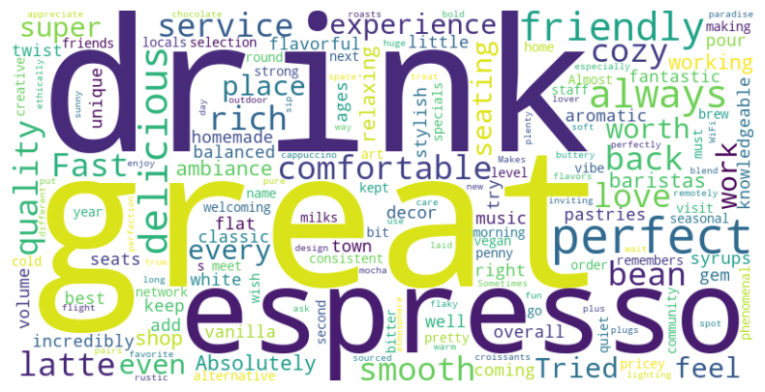

Comments table
Respondent | Comments | Gender
1 | Absolutely love this coffee shop! The espresso is rich and smooth, and the ambiance is perfect for working or relaxing. | Male
2 | The baristas are incredibly friendly and knowledgeable—they make the best flat white in town! | Female
3 | A cozy little gem with fantastic pastries and the most aromatic coffee I've had in ages. | Male
4 | I keep coming back for their pour-over coffee—so well-balanced and flavorful! | Female
5 | The decor is stylish, the seats are comfortable, and the music is just the right volume. | Male
6 | Their homemade syrups add such a unique twist to classic drinks—try the vanilla bean latte! | Female
7 | Fast service, great coffee, and an overall welcoming vibe. A must-visit! | Male
8 | A bit pricey, but the quality of the coffee and the experience make it worth every penny. | Female
9 | This place is my go-to for a quiet morning coffee before work. Always consistent and delicious! | Male
10 | Tried their cold brew, and it was phenomenal—strong, smooth, and not bitter at all. | Female
11 | Great selection of alternative milks, making it super vegan-friendly. | Male
12 | The latte art here is next-level. Almost too pretty to drink… but I do, and it’s always perfect! | Female
13 | The staff remembers my name and order—feels like my second home! | Male
14 | Their seasonal specials are always creative and delicious—I wish they kept them year-round! | Female
15 | Love the community feel here. Great place to meet friends or even network with locals. | Male
16 | I appreciate that they use ethically sourced beans. Makes me enjoy my coffee even more! | Female
17 | Super fast WiFi, plenty of plugs, and comfortable seating make it a great spot to work remotely. | Male
18 | The outdoor seating is a huge plus, especially on a sunny day! | Female
19 | The croissants are buttery and flaky—pairs perfectly with their cappuccino! | Male
20 | Sometimes the wait can be long, but it's worth it for the quality and care they put into each drink. | Female
21 | Such a warm and inviting space! The rustic design and soft lighting make it so cozy. | Male
22 | Their mocha is the perfect blend of rich chocolate and bold espresso—my new favorite treat! | Female
23 | Friendly service, delicious drinks, and a laid-back atmosphere. What more could you ask for? | Male
24 | Tried their espresso flight—such a fun way to experience different roasts and flavors! | Female
25 | A true coffee lover's paradise. Every sip is pure perfection! | Male

